CI
Confidence intervals. Population known, z-score
Data scientist salary

Background | You are given the same dataset from the lesson. The population standard deviation is known to be $ 15,000.
Task 1 | Calculate the mean and the standard error
Task 2 | Find the appropriate z-score for calculating a 90% confidence interval
Task 3 | Find the 90% confidence interval

Dataset
$117,313 |  | Mean | $100,200
$104,002
$113,038 |  | Standard error | $2,739 | Population standard deviation/Sqrt count of population number
$101,936 |  |  | $15,000
$84,560 |  |  | 5.48
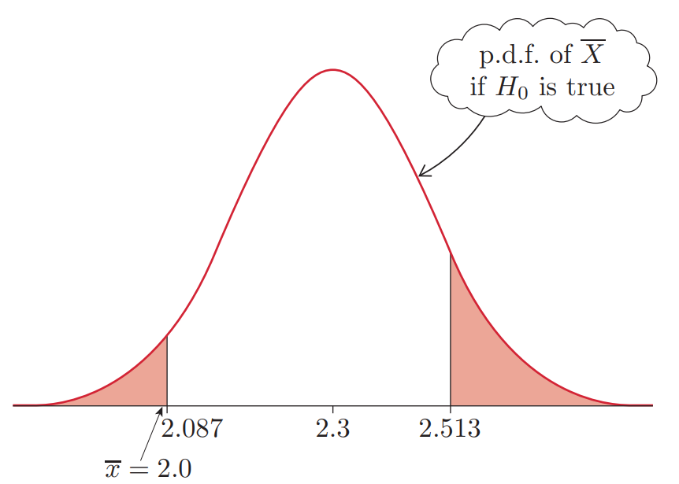
$113,136 |  | 90% Confidence interval
$80,740
$100,536 |  | (1-α/2) = (1-0.05) = 0.95
$105,052 |  | α = 0.1
$87,201
$91,986 |  | Look up 0.95 in the table = 1.65 = z
The standard error (often shortened to SE) is a number that tells us how much we expect a sample average to vary from the true average of the entire population.
$94,868
$90,745
$102,848
$85,927
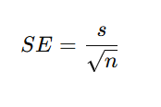
$112,276
$108,637
$96,818
$92,307
$114,564
$109,714
$108,833
The Significance Level ( alpha): A percentage that tells us how sure we want to be. Usually, scientists use 5% which is written as α=0.05. It means we want to be 95% sure that our result isn’t just a fluke.
The critical value is Z. A null hypothesis will be rejected if the test statistic lies on either extreme side of the probability distribution. The middle of the probability distribution is where the values for the null hypithesis are hence the null hypothesis is the claim that “everything is normal,” and the critical value is the exact point where a result becomes “too strange” for the null hypothesis to be true.
$115,295
$89,279
$81,720
$89,344
$114,426
$90,410
$95,118
$113,382

